CCCPE Matrix
 | Canadian College for the Certification of Professional Ergonomists (CCPE) Educational Matrix Courses

 | Areas of Knowledge | Course Number and Lecture Hours
 |  | LOWER REQ'D 142,143 201, 205, 207, BISC101, CHEM121,122,281,STAT201,MBB,MATH,PHYS | Active Rehab Req'd 110, 140, 241 | UPPER REQ'D 304W, 305, 306, 326, 340 (Note 310 separate column) | K301*Biomechanics Lab (If workplace project chosen) | K407 Human Physiology Lab | K180W Introduction to Ergonomics | K381 Psychology of Work | K481 Activity related Musculaskeletal Disorders | K482 Occupational Ergonomics and rehabilitation | K382 Workplace health | K303 Kinanthropometry | K308 Experiments and Models in Systems Physiology | K310* Exercise/Work Physiology | K311 Applied Human Nutrition | K312 Nutrition for Fitness and Sport | K343 Active Health Assessment and Programming | K375 Human Growth and Development | BPK401 Muscle Biomechanics | K402 Mechanical Behavior of Biological Tissues | BPK 412 - Molecular Cardiac Physiology | K415 Neural Control of Movement | BPK 417W - Obesity, Adipocyte Function and Weight Management | K420 Special Topics 1 | K421 Special Topics 2 | K422 Special Topics 3 | K423 Special Topics 4 | K426 Neuromuscular Anatomy | BPK 431 - Integrative Cancer Biology | BPK 432 - Physiological Basis of Temperature Regulation | BPK 443 - Advanced Exercise Prescription | BPK 444 - Cardiac Disease: Pathophysiology and Assessment | BPK 445 - Advanced Cardiac Rehabilitation | BPK 446 - Neurological Disorders | K448 Rehabilitation of Movement Control | K461 Physiological Aspects of Aging | K484 Physiology in Space | K496 Directed Studies (May be Ergonomic Related) | K498 Directed Studies (May be Ergonomic Related) | FILL IN ELECTIVES | FILL IN ELECTIVES | FILL IN ELECTIVES | Co-op | TOTAL HOURS
350 hours required with specific reference to Ergonomics | A1. Ergonomics Approach | 1.0 | 0.0 | 0.0 | 1.0 | 0.0 | 2.5 | 1.5 | 1.0 | 1.5 | 1.0 | 0.0 | 0.0 | 0.0 | 0.0 | 0.0 | 0.0 | 0.0 | 0.0 | 0.0 | 0.0 | 0.0 | 0.0 | 0.0 | 0.0 | 0.0 | 0.0 | 0.0 | 0.0 | 0.0 | 0.0 | 0.0 | 0.0 | 0.0 | 0.0 | 0.0 | 1.0 | 0.0 | 0.0 | 0.0 | 0.0 | 0.0 | 0.0 |  | Must be taught with REFERENCE to and with examples from the practice of ergonomics. | Hours taught with RELEVANCE to the practice of ergonomics.
 | A2. Ergonomics and Society | 0.0 | 0.0 | 0.0 | 0.0 | 0.0 | 0.5 | 0.0 | 0.0 | 0.0 | 0.0 | 0.0 | 0.0 | 0.0 | 0.0 | 0.0 | 0.0 | 0.0 | 0.0 | 0.0 | 0.0 | 0.0 | 0.0 | 0.0 | 0.0 | 0.0 | 0.0 | 0.0 | 0.0 | 0.0 | 0.0 | 0.0 | 0.0 | 0.0 | 0.0 | 0.0 | 0.0 | 0.0 | 0.0 | 0.0 | 0.0 | 0.0 | 0.0
 | A3. Ethics and Code of Practice | 0.0 | 0.0 | 0.0 | 0.0 | 0.0 | 2.5 | 1.5 | 2.0 | 3.5 | 2.5 | 0.0 | 0.0 | 0.0 | 0.0 | 0.0 | 0.0 | 0.0 | 0.0 | 0.0 | 0.0 | 0.0 | 0.0 | 0.0 | 0.0 | 0.0 | 0.0 | 0.0 | 0.0 | 0.0 | 0.0 | 0.0 | 0.0 | 0.0 | 0.0 | 0.0 | 0.0 | 0.0 | 0.0 | 0.0 | 0.0 | 0.0 | 4.0
 | A: Total Lecture Hours Required: 25 | 1.0 | 0.0 | 0.0 | 1.0 | 0.0 | 5.5 | 3.0 | 3.0 | 5.0 | 3.5 | 0.0 | 0.0 | 0.0 | 0.0 | 0.0 | 0.0 | 0.0 | 0.0 | 0.0 | 0.0 | 0.0 | 0.0 | 0.0 | 0.0 | 0.0 | 0.0 | 0.0 | 0.0 | 0.0 | 0.0 | 0.0 | 0.0 | 0.0 | 0.0 | 0.0 | 1.0 | 0.0 | 0.0 | 0.0 | 0.0 | 0.0 | 4.0 | 27.0
...
 |  |  |  |  |  |  |  |  |  |  |  |  |  |  |  |  |  |  |  |  |  |  |  |  |  |  |  |  |  |  |  |  |  |  |  |  |  |  |  | 0.0 | 0.0 | 0.0 | 0.0 | 1.0
 |  |  |  |  |  |  |  |  |  |  |  |  |  |  |  |  |  |  |  |  |  |  |  |  |  |  |  |  |  |  |  |  |  |  |  |  |  |  |  | 0.0 | 0.0 | 0.0 | 0.0 | 20.0
 |  |  |  |  |  |  |  |  |  |  |  |  |  |  |  |  |  |  |  |  |  |  |  |  |  |  |  |  |  |  |  |  |  |  |  |  |  |  |  | 0.0 | 0.0 | 0.0 | 0.0 | 1.0
 |  |  |  |  |  |  |  |  |  |  |  |  |  |  |  |  |  |  |  |  |  |  |  |  |  |  |  |  |  |  |  |  |  |  |  |  |  |  |  | 0.0 | 0.0 | 0.0 | 0.0 | 3.0
 |  |  |  |  |  |  |  |  |  |  |  |  |  |  |  |  |  |  |  |  |  |  |  |  |  |  |  |  |  |  |  |  |  |  |  |  |  |  |  | 0.0 | 0.0 | 0.0 | 0.0 | 11.0
 |  |  |  |  |  |  |  |  |  |  |  |  |  |  |  |  |  |  |  |  |  |  |  |  |  |  |  |  |  |  |  |  |  |  |  |  |  |  |  | 0.0 | 0.0 | 0.0 | 0.0 | 1.0
 |  |  |  |  |  |  |  |  |  |  |  |  |  |  |  |  |  |  |  |  |  |  |  |  |  |  |  |  |  |  |  |  |  |  |  |  |  |  |  | 0.0 | 0.0 | 0.0 | 0.0 | 2.0
 |  |  |  |  |  |  |  |  |  |  |  |  |  |  |  |  |  |  |  |  |  |  |  |  |  |  |  |  |  |  |  |  |  |  |  |  |  |  |  | 0.0 | 0.0 | 0.0 | 0.0 | 78.0
 |  |  |  |  |  |  |  |  |  |  |  |  |  |  |  |  |  |  |  |  |  |  |  |  |  |  |  |  |  |  |  |  |  |  |  |  |  |  |  | 0.0 | 0.0 | 0.0 | 0.0 | 1.5
 |  |  |  |  |  |  |  |  |  |  |  |  |  |  |  |  |  |  |  |  |  |  |  |  |  |  |  |  |  |  |  |  |  |  |  |  |  |  |  | 0.0 | 0.0 | 0.0 | 0.0 | 111.5
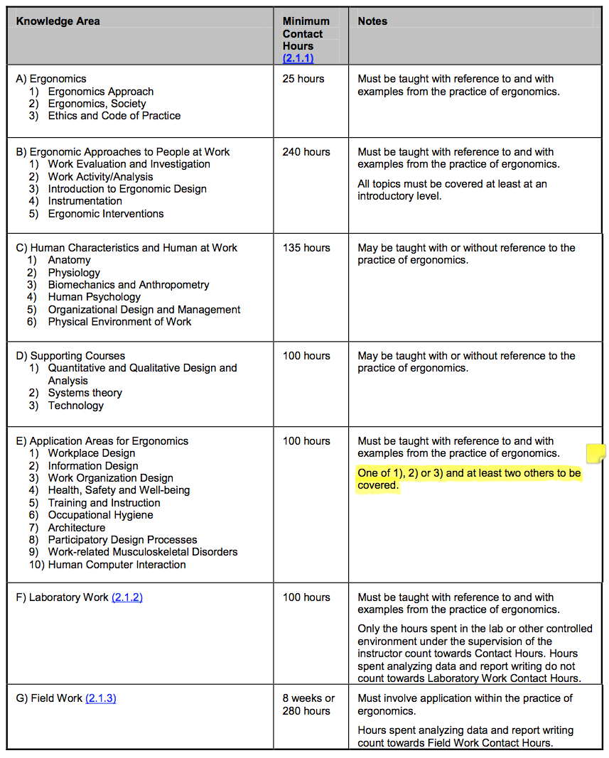
 |  |  |  |  |  |  |  |  |  |  |  |  |  |  |  |  |  |  |  |  |  |  |  |  |  |  |  |  |  |  |  |  |  |  |  |  |  |  |  | 0.0 | 0.0 | 0.0 | 4.0 | 380.0
 |  |  |  |  |  |  |  |  |  |  |  |  |  |  |  |  |  |  |  |  |  |  |  |  |  |  |  |  |  |  |  |  |  |  |  |  |  |  |  | 0.0 | 0.0 | 0.0 | 4.0 | 456.0
 |  |  |  |  |  |  |  |  |  |  |  |  |  |  |  |  |  |  |  |  |  |  |  |  |  |  |  |  |  |  |  |  |  |  |  |  |  |  |  | 0.0 | 0.0 | 0.0 | 0.0 | 95.0
 |  |  |  |  |  |  |  |  |  |  |  |  |  |  |  |  |  |  |  |  |  |  |  |  |  |  |  |  |  |  |  |  |  |  |  |  |  |  |  | 0.0 | 0.0 | 0.0 | 0.0 | 120.0
 |  |  |  |  |  |  |  |  |  |  |  |  |  |  |  |  |  |  |  |  |  |  |  |  |  |  |  |  |  |  |  |  |  |  |  |  |  |  |  | 0.0 | 0.0 | 0.0 | 0.0 | 97.0
 |  |  |  |  |  |  |  |  |  |  |  |  |  |  |  |  |  |  |  |  |  |  |  |  |  |  |  |  |  |  |  |  |  |  |  |  |  |  |  | 0.0 | 0.0 | 0.0 | 0.0 | 39.0
 |  |  |  |  |  |  |  |  |  |  |  |  |  |  |  |  |  |  |  |  |  |  |  |  |  |  |  |  |  |  |  |  |  |  |  |  |  |  |  | 0.0 | 0.0 | 0.0 | 0.0 | 24.0
 |  |  |  |  |  |  |  |  |  |  |  |  |  |  |  |  |  |  |  |  |  |  |  |  |  |  |  |  |  |  |  |  |  |  |  |  |  |  |  | 0.0 | 0.0 | 0.0 | 0.0 | 13.0
 |  |  |  |  |  |  |  |  |  |  |  |  |  |  |  |  |  |  |  |  |  |  |  |  |  |  |  |  |  |  |  |  |  |  |  |  |  |  |  | 0.0 | 0.0 | 0.0 | 0.0 | 388.0
 |  |  |  |  |  |  |  |  |  |  |  |  |  |  |  |  |  |  |  |  |  |  |  |  |  |  |  |  |  |  |  |  |  |  |  |  |  |  |  | 0.0 | 0.0 | 0.0 | 0.0 | 178.0
 |  |  |  |  |  |  |  |  |  |  |  |  |  |  |  |  |  |  |  |  |  |  |  |  |  |  |  |  |  |  |  |  |  |  |  |  |  |  |  | 0.0 | 0.0 | 0.0 | 0.0 | 16.0
 |  |  |  |  |  |  |  |  |  |  |  |  |  |  |  |  |  |  |  |  |  |  |  |  |  |  |  |  |  |  |  |  |  |  |  |  |  |  |  | 0.0 | 0.0 | 0.0 | 0.0 | 5.0
 |  |  |  |  |  |  |  |  |  |  |  |  |  |  |  |  |  |  |  |  |  |  |  |  |  |  |  |  |  |  |  |  |  |  |  |  |  |  |  | 0.0 | 0.0 | 0.0 | 0.0 | 199.0
 |  |  |  |  |  |  |  |  |  |  |  |  |  |  |  |  |  |  |  |  |  |  |  |  |  |  |  |  |  |  |  |  |  |  |  |  |  |  |  | 0.0 | 0.0 | 0.0 | 0.0 | 74.0
 |  |  |  |  |  |  |  |  |  |  |  |  |  |  |  |  |  |  |  |  |  |  |  |  |  |  |  |  |  |  |  |  |  |  |  |  |  |  |  |  |  |  | 4.0 | 918.0
 |  |  |  |  |  |  |  |  |  |  |  |  |  |  |  |  |  |  |  |  |  |  |  |  |  |  |  |  |  |  |  |  |  |  |  |  |  |  |  |  |  |  |  | 0.0
 |  |  |  |  |  |  |  |  |  |  |  |  |  |  |  |  |  |  |  |  |  |  |  |  |  |  |  |  |  |  |  |  |  |  |  |  |  |  |  | 0.0 | 0.0 | 0.0 | 480.0 | 617.0
...

