GPA % GPA CONVERSION
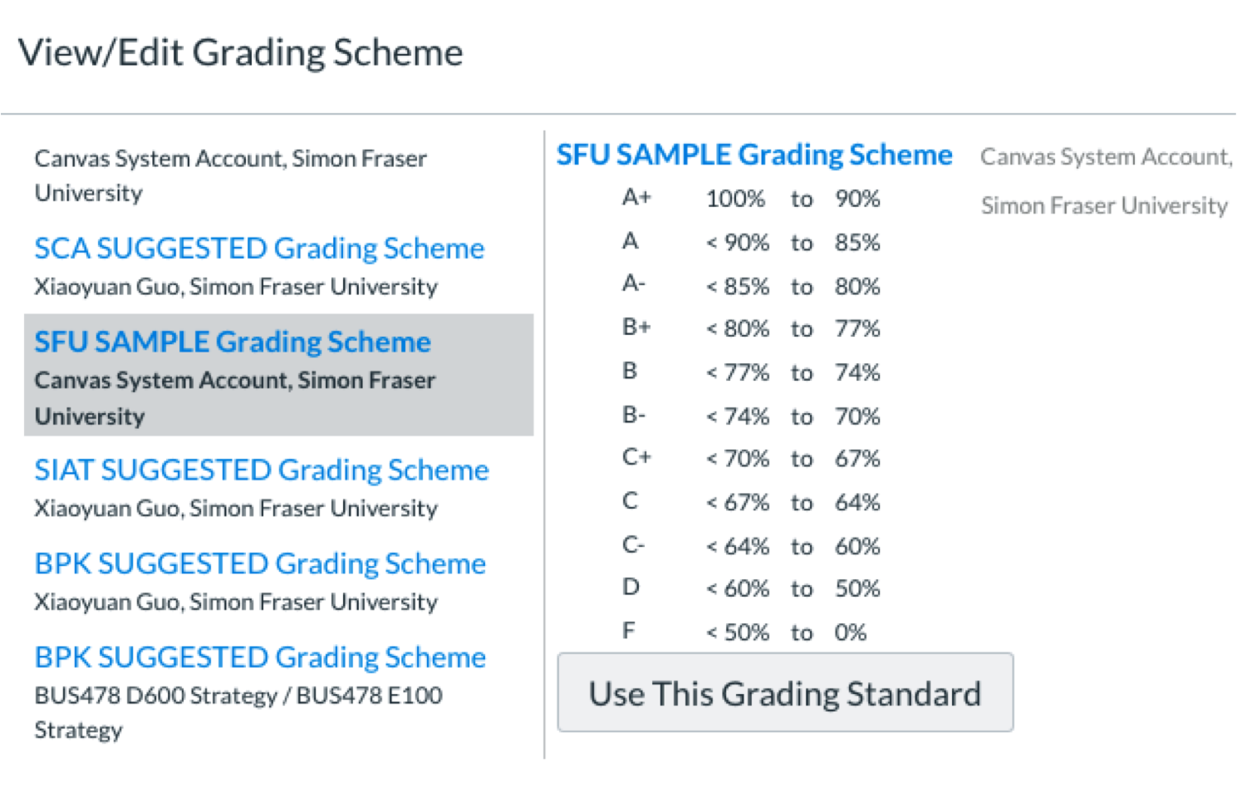
 |  |  | 0% | 55% | F
 |  |  | 50% | 60% | D
 |  |  | 60% | 64% | C-
 |  |  | 64% | 67% | C
 |  |  | 67% | 70% | C+
 |  |  | 70% | 74% | B-
 |  |  | 74% | 77% | B
 |  |  | 77% | 80% | B+
 |  |  | 80% | 85% | A-
 |  |  | 85% | 90% | A
 |  |  | 90% | 100% | A+

GPA | GPA TO PERCENT CONVERSION | PERCENT | PERCENT TO GPA CONVERSION | GPA | Letter Grade
0.00 | PERCENT = GPA * 0.8 | 0.00% | GPA = Percent / 0.8 | 0.00 | F
0.10 | " | 8.00% | " | 0.10 | F
0.20 | " | 16.00% | " | 0.20 | F
0.30 | " | 24.00% | " | 0.30 | F
0.40 | " | 32.00% | " | 0.40 | F
0.50 | " | 40.00% | " | 0.50 | F
0.60 | " | 48.00% | " | 0.60 | F
0.70 | PERCENT = ( GPA - 0.66 ) * 0.1 ) + 0.5 | 50.40% | GPA = ( Percent - 0.504 ) / 0.1 ) + 0.7 | 0.70 | D
0.80 | " | 51.40% | " | 0.80 | D
0.90 | " | 52.40% | " | 0.90 | D
1.00 | " | 53.40% | " | 1.00 | D
1.10 | " | 54.40% | " | 1.10 | D
1.20 | " | 55.40% | " | 1.20 | D
1.30 | " | 56.40% | " | 1.30 | D
1.40 | " | 57.40% | " | 1.40 | D
1.50 | " | 58.40% | " | 1.50 | D
1.60 | " | 59.40% | " | 1.60 | D
1.70 | " | 60.40% | " | 1.70 | C-
1.80 | " | 61.40% | " | 1.80 | C-
1.90 | " | 62.40% | " | 1.90 | C-
2.00 | " | 63.40% | " | 2.00 | C
2.10 | " | 64.40% | " | 2.10 | C
2.20 | " | 65.40% | " | 2.20 | C
2.30 | " | 66.40% | " | 2.30 | C
2.40 | " | 67.40% | " | 2.40 | C+
2.50 | " | 68.40% | " | 2.50 | C+
2.60 | " | 69.40% | " | 2.60 | C+
2.70 | " | 70.40% | " | 2.70 | B-
2.80 | " | 71.40% | " | 2.80 | B-
2.90 | " | 72.40% | " | 2.90 | B-
3.00 | " | 73.40% | " | 3.00 | B
3.10 | " | 74.40% | " | 3.10 | B
3.20 | " | 75.40% | " | 3.20 | B
3.30 | " | 76.40% | " | 3.30 | B
3.40 | " | 77.40% | " | 3.40 | B+
3.50 | " | 78.40% | " | 3.50 | B+
3.60 | " | 79.40% | " | 3.60 | B+
3.70 | PERCENT = (( GPA - 3.66 ) * 0.2985 ) + 0.8 | 81.19% | GPA = ( ( Percent - 0.812 ) * 0.2985 ) + 3.7 | 3.70 | A-
3.80 | " | 84.18% | " | 3.80 | A-
3.90 | " | 87.16% | " | 3.90 | A-
4.00 | " | 90.15% | " | 4.00 | A
4.10 | " | 93.13% | " | 4.10 | A
4.20 | " | 96.12% | " | 4.20 | A
4.30 | " | 99.10% | " | 4.30 | A+
4.33 | " | 100.00% | " | 4.33 | A+

