CCCPE REQUIREMENTS x BPK COURSE
Refer to the CCCPE CERTIFICATION APPLICATION KIT for further details | Foundational - background content relevant to the practice of ergonomics/human factors (Ergo/HF) |  |  |  |  | Specific - must be taught with specific reference to, and examples from, the practice of Ergo/HF |  |  |  |  |  |  |  | effective: Jan 2020
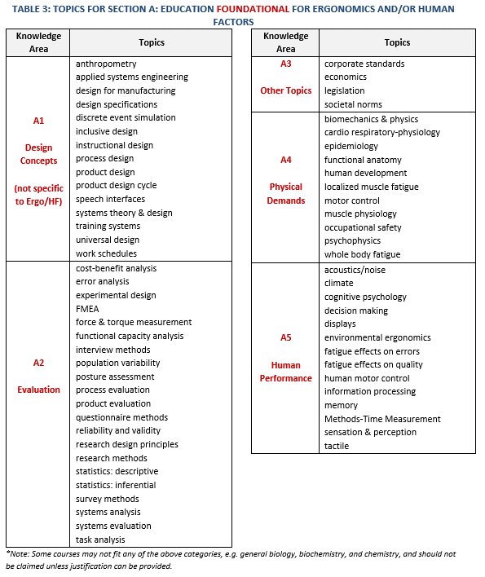
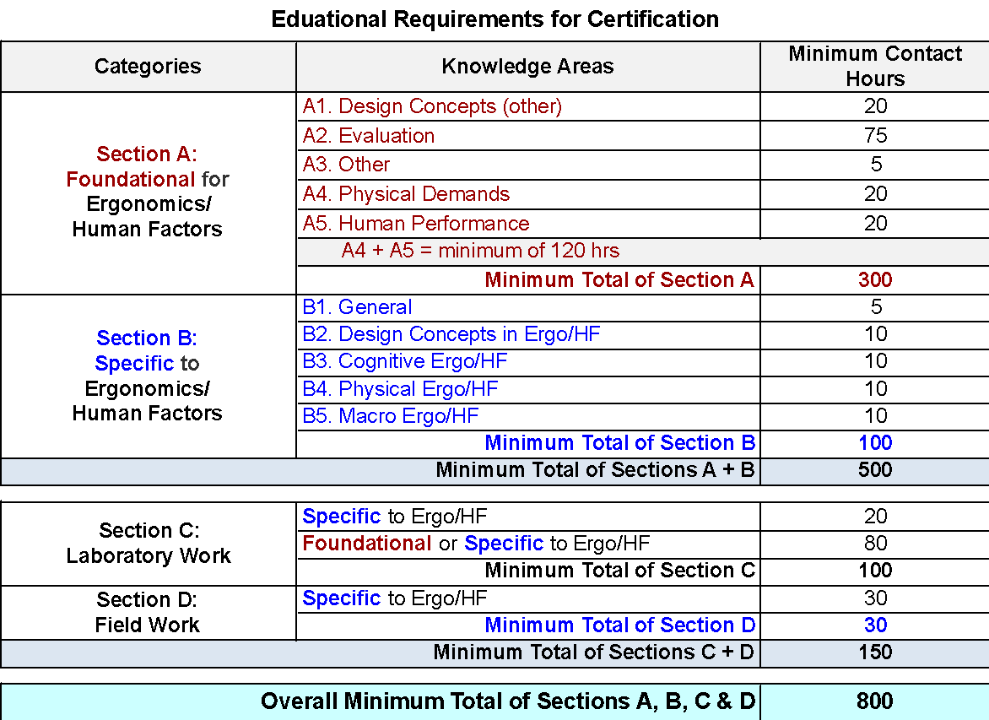
Table 6: Education Course Allocation Log
Sections | Section A: Foundational for Ergonomics/Human Factors |  |  |  |  | Section B: Specific to Ergonomics/Human Factors |  |  |  |  | Section C: Laboratory Work |  | Section D: Field Work | Totals
Course Number and Name | A1 Design Concepts (other) | A2 Evalua- tion | A3 Other Topics | A4 Physical Demands | A5 Human Perform- ance | B1 General | B2 Design Concepts: Ergo/HF | B3 Cognitive Ergo/HF | B4 Physical Ergo/HF | B5 Macro Ergo/HF | Specific to Ergo/HF | Foundational or Specific to Ergo/HF | Specific to Ergo/HF | Class Total A + B (values >45 are flagged) | Course Total A + B + C + D
BPK 110: Human Nutrition:Current Issues | 0 | 0 | 0 | 0 | 0 | 0 | 0 | 0 | 0 | 0 | 0 | 0 | 0 | 0 | 0
BPK 142: Introduction to Kinesiology | 1 | 4 | 0 | 16 | 2 | 0 | 0 | 0 | 1 | 0 | 0 | 24 | 0 | 24.0 | 48.0
BPK 143: Exercise Health and Performance | 0 | 2 | 0 | 12 | 2 | 0 | 0 | 0 | 0 | 0 | 0 | 12 | 0 | 16.0 | 28.0
BPK 180W: Introduction to Ergonomics | 4 | 0 | 0 | 0 | 0 | 4 | 10 | 8 | 14 | 5 | 0 | 0 | 0 | 45.0 | 45.0
BPK 201: Biomechanics | 0 | 18 | 0 | 18 | 0 | 0 | 0 | 0 | 0 | 0 | 0 | 0 | 0 | 36.0 | 36.0
BPK 205: Introduction to Human Physiology | 0 | 0 | 0 | 24 | 6 | 0 | 0 | 0 | 0 | 0 | 0 | 0 | 0 | 30.0 | 30.0
BPK 207:Sensory Motor Control and Learning | 0 | 0 | 0 | 4 | 23 | 0 | 0 | 0 | 0 | 0 | 0 | 12 | 0 | 27.0 | 39.0
STAT 201:Statistics for the Life Sciences | 0 | 36 | 0 | 0 | 0 | 0 | 0 | 0 | 0 | 0 | 0 | 0 | 0 | 36.0 | 36.0
BPK 241: Sports Injuries | 0 | 1 | 0 | 23 | 0 | 0 | 0 | 0 | 0 | 0 | 0 | 24 | 0
BPK 303: Kinanthropometry | 7 | 12 | 0 | 12 | 0 | 0 | 0 | 0 | 0 | 0 | 0 | 10 | 0 | 31.0 | 41.0
BPK 304W: Inquiry & Measurement in Kinesiology & Biomedical Physiology | 0 | 24 | 0 | 2 | 0 | 0 | 0 | 0 | 0 | 0 | 0 | 12 | 0 | 26.0 | 38.0
BPK 305: Human Physiology I | 0 | 0 | 0 | 39 | 0 | 0 | 0 | 0 | 0 | 0 | 0 | 0 | 0 | 39.0 | 39.0
BPK 306: Human Physiology II | 0 | 0 | 0 | 9 | 27 | 0 | 0 | 0 | 0 | 0 | 0 | 0 | 0 | 36.0 | 36.0
BPK 307: Human Physiology III | 0 | 0 | 0 | 39 | 0 | 0 | 0 | 0 | 0 | 0 | 0 | 0 | 0 | 39.0 | 39.0
BPK 310: Exercise/Work Physiology | 0 | 6 | 0 | 20 | 6 | 0 | 3 | 0 | 3 | 0 | 0 | 0 | 0 | 38.0 | 38.0
BPK 326: Functional Anatomy | 0 | 0 | 0 | 24 | 0 | 0 | 0 | 0 | 0 | 0 | 0 | 24 | 0 | 24.0 | 48.0
BPK 340: Active Health Promotion | 2 | 4 | 6 | 0 | 0 | 0 | 0 | 0 | 2 | 0 | 0 | 0 | 0 | 14.0 | 14.0
BPK 343: Active Health Assessment and Programming | 0 | 2 | 0 | 16 | 0 | 0 | 0 | 0 | 0 | 0 | 0 | 18 | 0 | 18.0 | 36.0
BPK 381: Psychology of Work | 3 | 3 | 3 | 0 | 0 | 2 | 3 | 6 | 9 | 10 | 0 | 0 | 0 | 39.0 | 39.0
BPK 407: Human Physiology Laboratory | 0 | 0 | 0 | 0 | 0 | 0 | 0 | 0 | 0 | 0 | 15 | 33 | 0 | 39.0 | 39.0
BPK 481: Musculoskeletal Disorders | 0 | 5 | 0 | 14 | 0 | 0 | 2 | 0 | 15 | 0 | 12 | 0 | 0 | 0.0 | 48.0
BPK 482: Occupational Ergonomics and Rehabilitation | 3 | 2 | 1 | 0 | 0 | 3 | 2 | 3 | 9 | 2 | 14 | 0 | 33 | 36.0 | 48.0
 |  |  |  |  |  |  |  |  |  |  |  |  |  | 25.0 | 72.0
Totals | A: Foundational for Ergonomics/Human Factors |  |  |  |  | B: Specific to Ergonomics/Human Factors |  |  |  |  | C: Laboratory Work |  | D: Field Work | 0.0 | 0.0
 | Design (other) | Evalua- tion | Other Topics | Physical Demands | Perform- ance | General | Design Concepts | Cognitive Ergo/HF | Physical Ergo/HF | Macro Ergo/HF | Specific to Ergo/HF | Foundational or Specific | Specific to Ergo/HF
Total contact hours per column | 20.0 | 119.0 | 10.0 | 272.0 | 66.0 | 9.0 | 20.0 | 17.0 | 53.0 | 17.0 | 41.0 | 169.0 | 33.0
Minimum contact hours per column | 20 | 75 | 5 | 20 | 20 | 5 | 10 | 10 | 10 | 10 | 20 | 80 | 30
Total contact hours for A4 + A5 |  |  |  | 338.0
Minimum contact hours for A4 + A5 |  |  |  | Min A4 + A5 = 120
Total contact hours per Section | 487.0 |  |  |  |  | 116.0 |  |  |  |  | 210.0
Minimum contact hours per Section | Minimum for Section A = 300 |  |  |  |  | Minimum for Section B = 100 |  |  |  |  | Minimum for C = 100
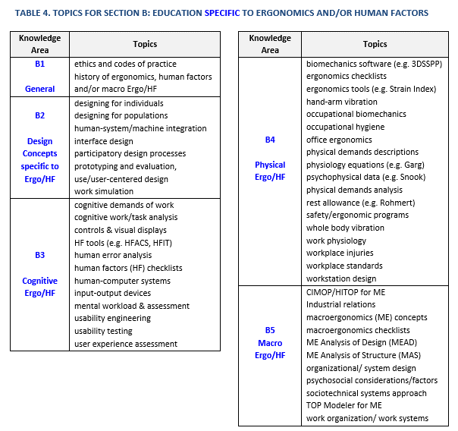
Total contact hours across Sections | 603.0 |  |  |  |  |  |  |  |  |  | 243.0
Minimum contact hours across Sections | Minimum for Sections A + B = 500 |  |  |  |  |  |  |  |  |  | Minimum for Sections C + D = 150
Grand total contact hours | 846.0
Minimum grand total of contact hours | Minimum grand total for Sections A + B + C + D = 800

Colour Code | Total Sufficient |  |  | Total Too Low |  |  | Total Flagged

